Print Page 1
2
7
6
3

5
4

1

Tolerance Table
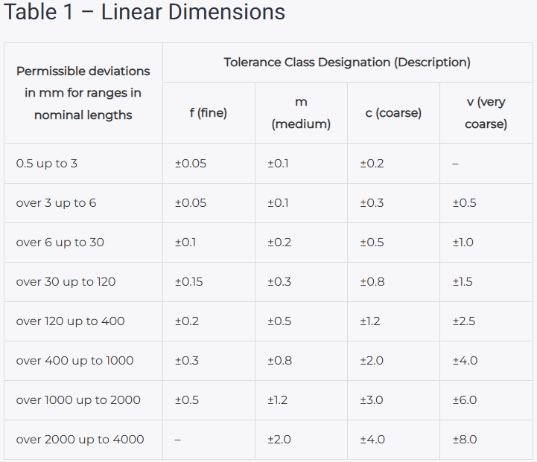
https://leadrp.net/blog/the-basics-of-general-tolerance-standard-iso-2768-mk/

